OpenShiftLabs
 | Home!B2 | OpenShiftI!B2
1 | Lab1 : HTPassword Identity Provider

 | ✅ Step 1: Install httpd-tools (if not already installed)

 | This tool provides the htpasswd command.

 | bash
 | CopyEdit
 | sudo yum install -y httpd-tools
 | ✅ Step 2: Create the HTPasswd file with user credentials
 | bash
 | CopyEdit
 | htpasswd -c -B -b users.htpasswd john doe123
 | htpasswd -B -b users.htpasswd jane doe123
 | htpasswd -B -b users.htpasswd ian manchester
 | htpasswd -B -b users.htpasswd mariam ephesos
 | htpasswd -B -b users.htpasswd alice wonderland

 | -c creates the file (use only once)

 | -B uses bcrypt encryption

 | -b specifies username and password inline
 | ✅ Step 3: Create a secret in OpenShift from the HTPasswd file
 | bash
 | CopyEdit
 | oc create secret generic ex280-htpass-secret \
 | --from-file=htpasswd=users.htpasswd \
 | -n openshift-config
 | ✅ Step 4: Create an oauth.yaml file for the Identity Provider

 | Save this content as oauth.yaml:

 | yaml
 | CopyEdit
 | apiVersion: config.openshift.io/v1
 | kind: OAuth
 | metadata:
 | name: cluster
 | spec:
 | identityProviders:
 | - name: local-users
 | mappingMethod: claim
 | type: HTPasswd
 | htpasswd:
 | fileData:
 | name: ex280-htpass-secret
 | ✅ Step 5: Apply the configuration using oc replace
 | bash
 | CopyEdit
 | oc replace -f oauth.yaml

 | ✅ This replaces the existing OAuth object with your new configuration.

 | ⚠️ If it says "not found", use oc apply -f oauth.yaml instead.
 | ✅ Step 6: Test Login as any of the users

 | You can now test login with:

 | bash
 | CopyEdit
 | oc login -u john -p doe123

 | or any other user you configured:

 | bash
 | CopyEdit
 | oc login -u jane -p doe123
 | oc login -u alice -p wonderland
 | ✅ Step 7 (Optional): Verify Identity Provider is working

 | Run:

 | bash
 | CopyEdit
 | oc get oauth cluster -o yaml

 | You should see your local-users Identity Provider listed under identityProviders.

2 | Role Based Access Controls

 | ✅ Step 1: Confirm users exist

 | Make sure these users already exist in your HTPasswd setup (from Lab 1):

 | mariam

 | jane

 | john

 | ian

 | alice
 | ✅ Step 2: Assign roles

 | We'll use oc adm policy commands for each user.

 | 🔹 mariam: Full cluster administration rights
 | bash
 | CopyEdit
 | oc adm policy add-cluster-role-to-user cluster-admin mariam
 | 🔹 jane: Able to create new projects

 | To create projects, assign her the self-provisioner role:

 | bash
 | CopyEdit
 | oc adm policy add-cluster-role-to-user self-provisioner jane
 | 🔹 john: Not able to create new projects

 | By default, authenticated users can create projects. So remove self-provisioner from john:

 | bash
 | CopyEdit
 | oc adm policy remove-cluster-role-from-user self-provisioner john
 | 🔹 ian: View access to all projects in the cluster
 | bash
 | CopyEdit
 | oc adm policy add-cluster-role-to-user view ian --rolebinding-name=view-all-projects
 | 🔹 alice: Not able to modify the cluster

 | Don’t assign her any write or admin roles. Just ensure she doesn’t have edit, admin, or cluster-admin.

 | To be safe, explicitly remove them:

 | bash
 | CopyEdit
 | oc adm policy remove-cluster-role-from-user edit alice
 | oc adm policy remove-cluster-role-from-user admin alice
 | oc adm policy remove-cluster-role-from-user cluster-admin alice
 | ✅ Step 3: Verify that only mariam has cluster config permissions

 | Only cluster-admin can modify the cluster configuration. So:

 | Only mariam should have cluster-admin

 | Others must not have it

 | Check bindings with:

 | bash
 | CopyEdit
 | oc get clusterrolebindings | grep cluster-admin

 | Or verify user roles:

 | bash
 | CopyEdit
 | oc describe clusterrolebinding cluster-admin
 | ✅ Step 4: Test (Optional)

 | Try to login as each user and attempt restricted actions to verify:

 | bash
 | CopyEdit
 | oc login -u john -p doe123
 | oc new-project testproj # should be denied
 | ✅ Summary of Commands:
 | bash
 | CopyEdit
 | oc adm policy add-cluster-role-to-user cluster-admin mariam
 | oc adm policy add-cluster-role-to-user self-provisioner jane
 | oc adm policy remove-cluster-role-from-user self-provisioner john
 | oc adm policy add-cluster-role-to-user view ian --rolebinding-name=view-all-projects
 | oc adm policy remove-cluster-role-from-user edit alice
 | oc adm policy remove-cluster-role-from-user admin alice
 | oc adm policy remove-cluster-role-from-user cluster-admin alice

3 | Project Permissions Role Based Access Controls II

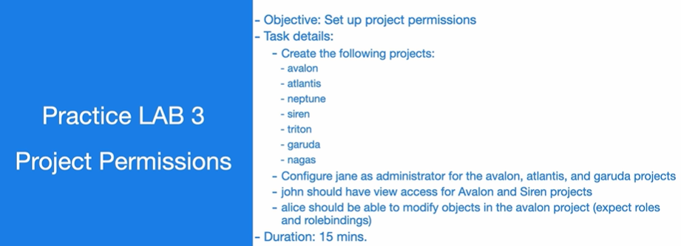

 | 📝 Task Summary:

 | Create these projects:
 | avalon, atlantis, neptune, siren, triton, garuda, nagas

 | User Permissions:

 | jane: admin on avalon, atlantis, garuda

 | john: view access on avalon, siren

 | alice: edit access on avalon (but not admin)
 | ✅ Step-by-Step Implementation:
 | 🔹 Step 1: Create Projects
 | bash
 | CopyEdit
 | for project in avalon atlantis neptune siren triton garuda nagas
 | do
 | oc new-project $project
 | done
 | 🔹 Step 2: Assign jane as admin on selected projects
 | bash
 | CopyEdit
 | for project in avalon atlantis garuda
 | do
 | oc adm policy add-role-to-user admin jane -n $project
 | done
 | 🔹 Step 3: Assign john view access on avalon and siren
 | bash
 | CopyEdit
 | for project in avalon siren
 | do
 | oc adm policy add-role-to-user view john -n $project
 | done
 | 🔹 Step 4: Assign alice edit access (but NOT admin) on avalon
 | bash
 | CopyEdit
 | oc adm policy add-role-to-user edit alice -n avalon

 | ✅ This allows her to create/update/delete objects, but not manage roles/bindings.
 | ✅ Summary Table:
 | Project | User | Role
 | avalon | jane | admin
 | atlantis | jane | admin
 | garuda | jane | admin
 | avalon | john | view
 | siren | john | view
 | avalon | alice | edit
 | ✅ Step 5: (Optional) Verify Roles
 | bash
 | CopyEdit
 | oc get rolebindings -n avalon
 | oc describe rolebinding <binding-name> -n avalon

4 | Groups

 | 📝 Task Details:

 | Create 2 groups:

 | heroes (members: alice)

 | wizards (members: ian)

 | Group permissions:

 | heroes: admin on neptune, siren, triton, nagas

 | wizards:

 | view on atlantis

 | edit on siren
 | ✅ Step-by-Step Implementation
 | 🔹 Step 1: Create the Groups and Add Users
 | bash
 | CopyEdit
 | oc adm groups new heroes alice
 | oc adm groups new wizards ian

 | ✅ This creates the groups and adds users directly.
 | 🔹 Step 2: Assign roles to the groups
 | ➤ heroes → admin on neptune, siren, triton, nagas
 | bash
 | CopyEdit
 | for project in neptune siren triton nagas
 | do
 | oc adm policy add-role-to-group admin heroes -n $project
 | done
 | ➤ wizards → view on atlantis
 | bash
 | CopyEdit
 | oc adm policy add-role-to-group view wizards -n atlantis
 | ➤ wizards → edit on siren
 | bash
 | CopyEdit
 | oc adm policy add-role-to-group edit wizards -n siren
 | ✅ Step 3: (Optional) Verify Group and Bindings
 | 🔸 Check group membership:
 | bash
 | CopyEdit
 | oc get groups
 | oc get group heroes -o yaml
 | oc get group wizards -o yaml
 | 🔸 Check rolebindings:
 | bash
 | CopyEdit
 | oc get rolebindings -n siren
 | ✅ Summary Table
 | Group | Members | Project(s) | Role
 | heroes | alice | neptune, siren, triton, nagas | admin
 | wizards | ian | atlantis | view
 | wizards | ian | siren | edit

5 | Customer Roles

 | ✅ Step-by-Step Instructions:
 | 🔹 Step 1: Create the viewnagas role

 | Create a file called viewnagas-role.yaml with the following content:

 | yaml
 | CopyEdit
 | kind: Role
 | apiVersion: rbac.authorization.k8s.io/v1
 | metadata:
 | namespace: nagas
 | name: viewnagas
 | rules:
 | - apiGroups: [""] # core API group for pods
 | resources: ["pods"]
 | verbs: ["get", "list", "watch"]
 | - apiGroups: ["apps"] # for deployments
 | resources: ["deployments"]
 | verbs: ["get", "list", "watch"]
 | - apiGroups: ["image.openshift.io"] # for imagestreams
 | resources: ["imagestreams"]
 | verbs: ["get", "list", "watch"]
 | 🔹 Step 2: Apply the custom role
 | bash
 | CopyEdit
 | oc apply -f viewnagas-role.yaml

 | ✅ This creates the role in the nagas namespace.

 | 🔹 Step 3: Assign the viewnagas role to john
 | bash
 | CopyEdit
 | oc adm policy add-role-to-user viewnagas john -n nagas
 | 🔹 Step 4: (Optional) Verify

 | Check that the role was created and bound:

 | bash
 | CopyEdit
 | oc get roles -n nagas
 | oc get rolebindings -n nagas

 | To inspect the details:

 | bash
 | CopyEdit
 | oc describe role viewnagas -n nagas
 | oc describe rolebinding -n nagas
 | ✅ Summary
 | Resource | Role Name | User | Access Type | Resources | Verbs
 | nagas | viewnagas | john | Read-Only | pods, deployments, imagestreams | get, list, watch

6 | Project Quotas (Creating Resource Quotas)

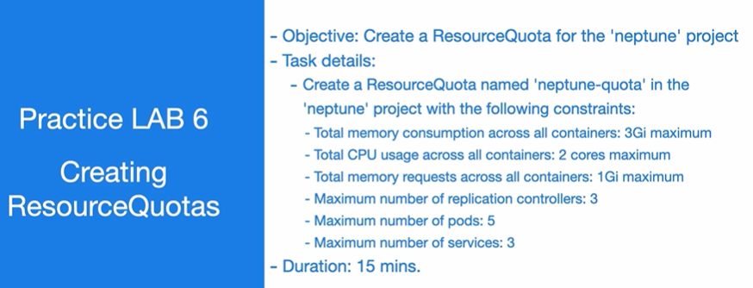

 | 📝 Quota Name: neptune-quota
 | Constraints to apply:

 | Max total memory used: 3Gi

 | Max total CPU used: 2 cores

 | Max total memory requests: 1Gi

 | Max replication controllers: 3

 | Max pods: 5

 | Max services: 3
 | ✅ Step-by-Step Instructions:
 | 🔹 Step 1: Create the YAML file

 | Save this as neptune-quota.yaml:

 | yaml
 | CopyEdit
 | apiVersion: v1
 | kind: ResourceQuota
 | metadata:
 | name: neptune-quota
 | namespace: neptune
 | spec:
 | hard:
 | requests.memory: 1Gi
 | limits.memory: 3Gi
 | limits.cpu: "2"
 | replicationcontrollers: "3"
 | pods: "5"
 | services: "3"
 | 🔹 Step 2: Apply the ResourceQuota
 | bash
 | CopyEdit
 | oc apply -f neptune-quota.yaml
 | 🔹 Step 3: Verify
 | bash
 | CopyEdit
 | oc describe resourcequota neptune-quota -n neptune

 | You should see all the constraints listed.

 | ✅ Summary Table
 | Constraint | Value
 | limits.memory | 3Gi
 | limits.cpu | 2
 | requests.memory | 1Gi
 | replicationcontrollers | 3
 | pods | 5
 | services | 3

7 | Project Limit Ranges

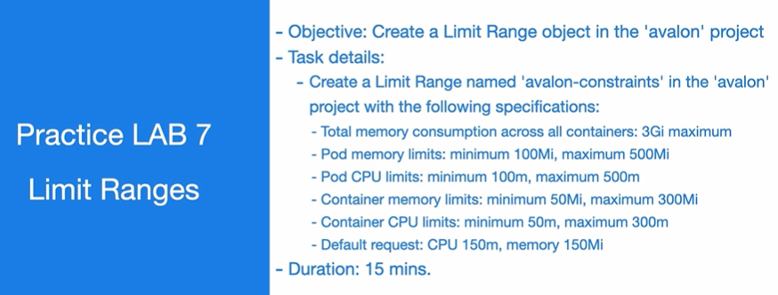

 | 📝 Limit Specifications:
 | Resource | Scope | Min | Max | Default Request
 | Pod Memory | pod | 100Mi | 500Mi | —
 | Pod CPU | pod | 100m | 500m | —
 | Container Mem | container | 50Mi | 300Mi | 150Mi (default)
 | Container CPU | container | 50m | 300m | 150m (default)
 | Total Mem | — | — | 3Gi total | —
 | ✅ Step-by-Step Instructions
 | 🔹 Step 1: Create the LimitRange YAML

 | Save this as avalon-constraints.yaml:

 | yaml
 | CopyEdit
 | apiVersion: v1
 | kind: LimitRange
 | metadata:
 | name: avalon-constraints
 | namespace: avalon
 | spec:
 | limits:
 | - type: Pod
 | max:
 | memory: 500Mi
 | cpu: 500m
 | min:
 | memory: 100Mi
 | cpu: 100m
 | - type: Container
 | max:
 | memory: 300Mi
 | cpu: 300m
 | min:
 | memory: 50Mi
 | cpu: 50m
 | defaultRequest:
 | memory: 150Mi
 | cpu: 150m
 | 🔹 Step 2: Apply the YAML
 | bash
 | CopyEdit
 | oc apply -f avalon-constraints.yaml
 | 🔹 Step 3: Verify the LimitRange
 | bash
 | CopyEdit
 | oc describe limitrange avalon-constraints -n avalon

 | You should see the defined constraints and defaults.

 | 🔹 (Optional) Add a ResourceQuota for 3Gi memory cap

 | If you want to enforce total memory limit across the project (3Gi), create a separate ResourceQuota:

 | yaml
 | CopyEdit
 | apiVersion: v1
 | kind: ResourceQuota
 | metadata:
 | name: avalon-mem-quota
 | namespace: avalon
 | spec:
 | hard:
 | limits.memory: 3Gi

 | Apply with:

 | bash
 | CopyEdit
 | oc apply -f avalon-mem-quota.yaml
 | ✅ Summary of Resources:

 | LimitRange: Per-pod and per-container memory/CPU min/max and default request.

 | ResourceQuota: Total memory cap across all containers in the project.

8 | Environment Variables with ConfigMaps
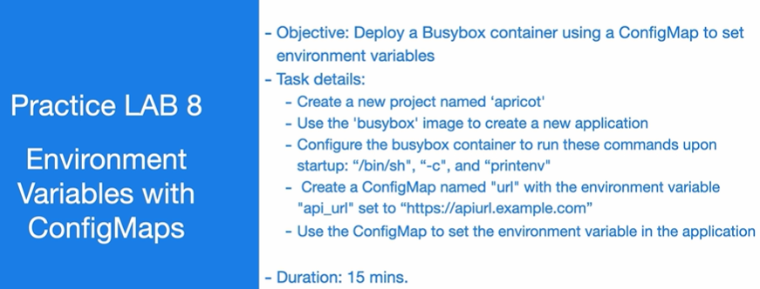

 | ✅ Step-by-Step Instructions
 | 🔹 Step 1: Create a new project named apricot
 | bash
 | CopyEdit
 | oc new-project apricot
 | 🔹 Step 2: Create a ConfigMap named url
 | bash
 | CopyEdit
 | oc create configmap url --from-literal=api_url=https://apiurl.example.com

 | ✅ This creates a key-value pair: api_url=https://apiurl.example.com

 | 🔹 Step 3: Create the Busybox deployment using ConfigMap

 | Save this as busybox-deployment.yaml:

 | yaml
 | CopyEdit
 | apiVersion: v1
 | kind: Pod
 | metadata:
 | name: busybox
 | namespace: apricot
 | spec:
 | containers:
 | - name: busybox
 | image: busybox
 | command: ["/bin/sh", "-c", "printenv"]
 | envFrom:
 | - configMapRef:
 | name: url
 | restartPolicy: Never
 | 🔹 Step 4: Apply the deployment
 | bash
 | CopyEdit
 | oc apply -f busybox-deployment.yaml
 | 🔹 Step 5: View the output to verify the environment variable
 | bash
 | CopyEdit
 | oc logs pod/busybox

 | You should see the line:

 | ini
 | CopyEdit
 | api_url=https://apiurl.example.com
 | ✅ Summary of Commands
 | bash
 | CopyEdit
 | oc new-project apricot
 | oc create configmap url --from-literal=api_url=https://apiurl.example.com
 | oc apply -f busybox-deployment.yaml
 | oc logs pod/busybox

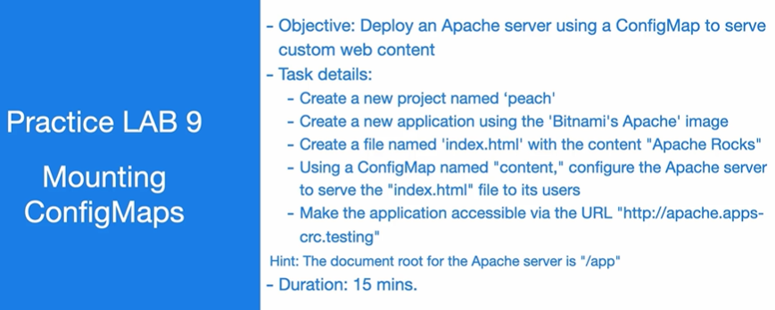
9 | Mounting ConfigMaps

 | 📝 Requirements:

 | Namespace: peach

 | Image: Bitnami’s Apache image

 | File: index.html with content: Apache Rocks

 | ConfigMap: content

 | Apache document root: /app

 | URL: http://apache.apps-crc.testing
 | ✅ Step-by-Step Instructions:
 | 🔹 Step 1: Create the project
 | bash
 | CopyEdit
 | oc new-project peach
 | 🔹 Step 2: Create the index.html file locally
 | bash
 | CopyEdit
 | echo "Apache Rocks" > index.html
 | 🔹 Step 3: Create a ConfigMap named content from the file
 | bash
 | CopyEdit
 | oc create configmap content --from-file=index.html
 | 🔹 Step 4: Create a Deployment using Bitnami Apache and mount ConfigMap to /app

 | Save this as apache-deployment.yaml:

 | yaml
 | CopyEdit
 | apiVersion: apps/v1
 | kind: Deployment
 | metadata:
 | name: apache
 | namespace: peach
 | spec:
 | replicas: 1
 | selector:
 | matchLabels:
 | app: apache
 | template:
 | metadata:
 | labels:
 | app: apache
 | spec:
 | containers:
 | - name: apache
 | image: bitnami/apache:latest
 | ports:
 | - containerPort: 8080
 | volumeMounts:
 | - name: web-content
 | mountPath: /app
 | volumes:
 | - name: web-content
 | configMap:
 | name: content
 | 🔹 Step 5: Apply the Deployment
 | bash
 | CopyEdit
 | oc apply -f apache-deployment.yaml
 | 🔹 Step 6: Expose the service
 | bash
 | CopyEdit
 | oc expose deployment apache --port=8080 --name=apache
 | oc expose service apache
 | 🔹 Step 7: Test Access

 | Visit the route URL:

 | arduino
 | CopyEdit
 | http://apache.apps-crc.testing

 | You should see:

 | nginx
 | CopyEdit
 | Apache Rocks
 | ✅ Summary of Commands:
 | bash
 | CopyEdit
 | oc new-project peach
 | echo "Apache Rocks" > index.html
 | oc create configmap content --from-file=index.html
 | oc apply -f apache-deployment.yaml
 | oc expose deployment apache --port=8080 --name=apache
 | oc expose service apache

10 | Manually scalling Apps

 | 📝 Task Details:

 | Project: plum

 | Use plum_deployment.yaml to create the app

 | Scale to 4 pods

 | Ensure all pods produce an output
 | ✅ Step-by-Step Instructions
 | 🔹 Step 1: Create a new project
 | bash
 | CopyEdit
 | oc new-project plum
 | 🔹 Step 2: Apply the provided plum_deployment.yaml

 | If you already have the file locally:

 | bash
 | CopyEdit
 | oc apply -f plum_deployment.yaml

 | If you want a sample deployment (for testing), here’s an example:

 | yaml
 | CopyEdit
 | # Save as plum_deployment.yaml
 | apiVersion: apps/v1
 | kind: Deployment
 | metadata:
 | name: plum-app
 | namespace: plum
 | spec:
 | replicas: 1
 | selector:
 | matchLabels:
 | app: plum
 | template:
 | metadata:
 | labels:
 | app: plum
 | spec:
 | containers:
 | - name: plum-container
 | image: busybox
 | command: ["/bin/sh", "-c", "while true; do echo Hello from pod; sleep 5; done"]
 | 🔹 Step 3: Apply the deployment
 | bash
 | CopyEdit
 | oc apply -f plum_deployment.yaml
 | 🔹 Step 4: Scale the deployment to 4 pods
 | bash
 | CopyEdit
 | oc scale deployment plum-app --replicas=4
 | 🔹 Step 5: Verify that all pods are running
 | bash
 | CopyEdit
 | oc get pods -l app=plum

 | You should see 4 pods in Running status.

 | 🔹 Step 6: Check pod output (logs)
 | bash
 | CopyEdit
 | oc logs -l app=plum

 | This will show output from all pods (e.g., Hello from pod).

 | ✅ Summary of Commands
 | bash
 | CopyEdit
 | oc new-project plum
 | oc apply -f plum_deployment.yaml
 | oc scale deployment plum-app --replicas=4
 | oc get pods -l app=plum
 | oc logs -l app=plum

11 | Application Autoscalling
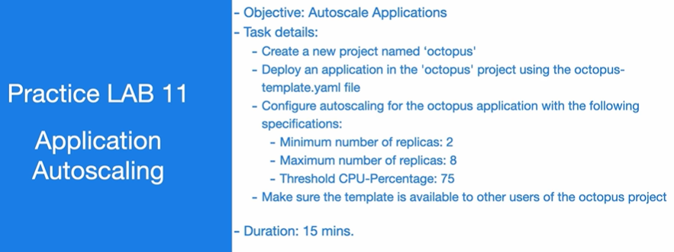

 | 📝 Task Requirements:

 | Project: octopus

 | Template file: octopus-template.yaml

 | Autoscaling specs:

 | Min replicas: 2

 | Max replicas: 8

 | CPU threshold: 75%

 | Template must be available to other users in the project
 | ✅ Step-by-Step Instructions
 | 🔹 Step 1: Create the octopus project
 | bash
 | CopyEdit
 | oc new-project octopus
 | 🔹 Step 2: Deploy the application using the octopus-template.yaml

 | If you already have the file:

 | bash
 | CopyEdit
 | oc apply -f octopus-template.yaml

 | Or if you want an example template, here’s one:
 | yaml
 | CopyEdit
 | # Save as octopus-template.yaml
 | apiVersion: apps/v1
 | kind: Deployment
 | metadata:
 | name: octopus-app
 | namespace: octopus
 | spec:
 | replicas: 2
 | selector:
 | matchLabels:
 | app: octopus
 | template:
 | metadata:
 | labels:
 | app: octopus
 | spec:
 | containers:
 | - name: octopus
 | image: nginx
 | resources:
 | requests:
 | cpu: 100m
 | limits:
 | cpu: 200m
 | ports:
 | - containerPort: 80

 | Then apply it:

 | bash
 | CopyEdit
 | oc apply -f octopus-template.yaml
 | 🔹 Step 3: Enable autoscaling
 | bash
 | CopyEdit
 | oc autoscale deployment octopus-app \
 | --cpu-percent=75 \
 | --min=2 \
 | --max=8

 | ✅ This creates a HorizontalPodAutoscaler.

 | 🔹 Step 4: Verify autoscaler
 | bash
 | CopyEdit
 | oc get hpa

 | You should see the octopus-app HPA listed with CPU metrics.

 | 🔹 Step 5: Share template with others

 | To make the template available to others in the same project:

 | bash
 | CopyEdit
 | oc create -f octopus-template.yaml -n octopus

 | Then tag it as a shared template:

 | bash
 | CopyEdit
 | oc annotate template octopus-template template.openshift.io/allow-origin=true -n octopus

 | Alternatively, export the template to the cluster with:

 | bash
 | CopyEdit
 | oc create configmap octopus-template --from-file=octopus-template.yaml -n octopus
 | ✅ Summary of Commands:
 | bash
 | CopyEdit
 | oc new-project octopus
 | oc apply -f octopus-template.yaml
 | oc autoscale deployment octopus-app --cpu-percent=75 --min=2 --max=8
 | oc get hpa

12 | Multi Container App
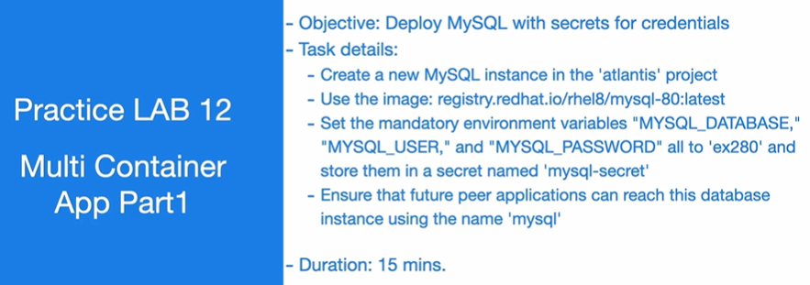

 | 📝 Task Requirements:

 | Project: atlantis

 | Image: registry.redhat.io/rhel8/mysql-80:latest

 | Environment Variables (all set to ex280):

 | MYSQL_DATABASE

 | MYSQL_USER

 | MYSQL_PASSWORD

 | Secret Name: mysql-secret

 | Service Name: mysql
 | ✅ Step-by-Step Instructions:
 | 🔹 Step 1: Create the project
 | bash
 | CopyEdit
 | oc new-project atlantis
 | 🔹 Step 2: Create the secret with MySQL credentials
 | bash
 | CopyEdit
 | oc create secret generic mysql-secret \
 | --from-literal=MYSQL_DATABASE=ex280 \
 | --from-literal=MYSQL_USER=ex280 \
 | --from-literal=MYSQL_PASSWORD=ex280
 | 🔹 Step 3: Create the MySQL deployment

 | Save this as mysql-deployment.yaml:

 | yaml
 | CopyEdit
 | apiVersion: apps/v1
 | kind: Deployment
 | metadata:
 | name: mysql
 | namespace: atlantis
 | spec:
 | replicas: 1
 | selector:
 | matchLabels:
 | app: mysql
 | template:
 | metadata:
 | labels:
 | app: mysql
 | spec:
 | containers:
 | - name: mysql
 | image: registry.redhat.io/rhel8/mysql-80:latest
 | env:
 | - name: MYSQL_DATABASE
 | valueFrom:
 | secretKeyRef:
 | name: mysql-secret
 | key: MYSQL_DATABASE
 | - name: MYSQL_USER
 | valueFrom:
 | secretKeyRef:
 | name: mysql-secret
 | key: MYSQL_USER
 | - name: MYSQL_PASSWORD
 | valueFrom:
 | secretKeyRef:
 | name: mysql-secret
 | key: MYSQL_PASSWORD
 | ports:
 | - containerPort: 3306
 | 🔹 Step 4: Apply the deployment
 | bash
 | CopyEdit
 | oc apply -f mysql-deployment.yaml
 | 🔹 Step 5: Expose the service
 | bash
 | CopyEdit
 | oc expose deployment mysql --name=mysql --port=3306

 | ✅ This ensures other pods can connect using service name mysql.

 | 🔹 Step 6: Verify the setup
 | bash
 | CopyEdit
 | oc get pods
 | oc get svc
 | oc describe secret mysql-secret
 | ✅ Summary of Key Commands
 | bash
 | CopyEdit
 | oc new-project atlantis
 | oc create secret generic mysql-secret \
 | --from-literal=MYSQL_DATABASE=ex280 \
 | --from-literal=MYSQL_USER=ex280 \
 | --from-literal=MYSQL_PASSWORD=ex280
 | oc apply -f mysql-deployment.yaml
 | oc expose deployment mysql --name=mysql --port=3306

13 | Multi Container App
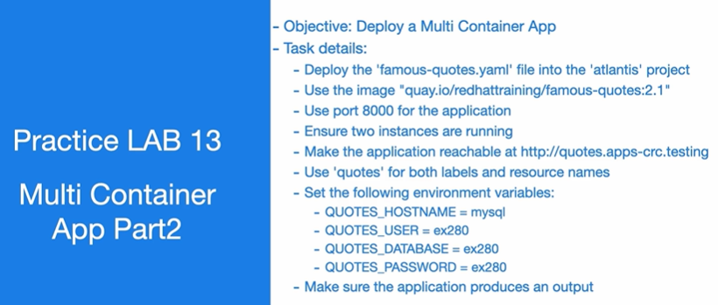

 | 📝 Task Requirements:

 | Project: atlantis

 | File: famous-quotes.yaml

 | Image: quay.io/redhattraining/famous-quotes:2.1

 | Port: 8000

 | Labels & resource names: quotes

 | Replicas: 2

 | URL: http://quotes.apps-crc.testing

 | Env vars:

 | QUOTES_HOSTNAME = mysql

 | QUOTES_USER = ex280

 | QUOTES_DATABASE = ex280

 | QUOTES_PASSWORD = ex280
 | ✅ Step-by-Step Instructions
 | 🔹 Step 1: Confirm you're in the right project
 | bash
 | CopyEdit
 | oc project atlantis

 | If not, switch with:

 | bash
 | CopyEdit
 | oc project atlantis || oc new-project atlantis
 | 🔹 Step 2: Create the deployment YAML

 | Save this as famous-quotes.yaml:

 | yaml
 | CopyEdit
 | apiVersion: apps/v1
 | kind: Deployment
 | metadata:
 | name: quotes
 | labels:
 | app: quotes
 | spec:
 | replicas: 2
 | selector:
 | matchLabels:
 | app: quotes
 | template:
 | metadata:
 | labels:
 | app: quotes
 | spec:
 | containers:
 | - name: quotes
 | image: quay.io/redhattraining/famous-quotes:2.1
 | ports:
 | - containerPort: 8000
 | env:
 | - name: QUOTES_HOSTNAME
 | value: mysql
 | - name: QUOTES_USER
 | value: ex280
 | - name: QUOTES_DATABASE
 | value: ex280
 | - name: QUOTES_PASSWORD
 | value: ex280
 | 🔹 Step 3: Apply the deployment
 | bash
 | CopyEdit
 | oc apply -f famous-quotes.yaml
 | 🔹 Step 4: Expose the service
 | bash
 | CopyEdit
 | oc expose deployment quotes --port=8000 --name=quotes
 | oc expose svc quotes

 | ✅ This creates a route like http://quotes.apps-crc.testing

 | 🔹 Step 5: Verify

 | Check pods:

 | bash
 | CopyEdit
 | oc get pods -l app=quotes

 | Check route:

 | bash
 | CopyEdit
 | oc get route quotes

 | Test in browser or curl:

 | bash
 | CopyEdit
 | curl http://quotes.apps-crc.testing
 | ✅ Summary of Commands
 | bash
 | CopyEdit
 | oc project atlantis
 | oc apply -f famous-quotes.yaml
 | oc expose deployment quotes --port=8000 --name=quotes
 | oc expose svc quotes
 | oc get pods -l app=quotes
 | oc get route quotes

 | Day to Day Comments
 | 🧩 1. Cluster Access & Authentication
 | Command | Purpose
 | oc login -u <user> -p <pass> | Login to OpenShift cluster
 | oc whoami | Check current user
 | oc whoami -t | Get access token
 | oc logout | Logout from cluster
 | oc config view | Show kubeconfig details
 | 📦 2. Project (Namespace) Management
 | Command | Purpose
 | oc new-project <name> | Create a new project
 | oc get projects | List all projects
 | oc project <name> | Switch to another project
 | oc delete project <name> | Delete a project
 | 🚦 3. Pod and Workload Management
 | Command | Purpose
 | oc get pods | List pods
 | oc get pods -o wide | Show pod IPs, nodes
 | oc describe pod <pod> | Detailed pod info
 | oc logs <pod> | View logs
 | oc exec <pod> -- <cmd> | Execute command inside pod
 | oc delete pod <pod> | Delete a pod
 | 🚀 4. Deployment & Scaling
 | Command | Purpose
 | oc create -f <file>.yaml | Deploy app from YAML
 | oc apply -f <file>.yaml | Update or create resources
 | oc rollout status deployment/<name> | Watch rollout status
 | oc scale deployment <name> --replicas=3 | Scale pods manually
 | oc rollout undo deployment <name> | Roll back deployment
 | oc edit deployment <name> | Edit deployment live
 | ⚙️ 5. Service & Networking
 | Command | Purpose
 | oc expose deployment <name> --port=8080 | Create service
 | oc get svc | List services
 | oc get endpoints | View endpoint IPs
 | oc expose svc <name> | Create route
 | oc get routes | List external routes
 | 🔐 6. Users, Groups & RBAC
 | Command | Purpose
 | oc adm policy add-role-to-user <role> <user> -n <project> | Assign role to user
 | oc adm policy remove-role-from-user <role> <user> | Remove role
 | oc adm groups new <group> <user> | Create group
 | oc adm policy add-role-to-group <role> <group> -n <project> | Assign role to group
 | oc get clusterrolebindings | View all role bindings
 | 🧱 7. Resource Management (Limits & Quotas)
 | Command | Purpose
 | oc create -f resourcequota.yaml | Create ResourceQuota
 | oc get resourcequota | List quotas
 | oc create -f limitrange.yaml | Create LimitRange
 | oc get limitrange | View limits per pod/container
 | 📊 8. Monitoring & Cluster Health
 | Command | Purpose
 | oc adm top nodes | Node CPU/memory usage
 | oc adm top pods | Pod resource usage
 | oc get events | View cluster events
 | oc get nodes | Check node status
 | oc describe node <node> | Detailed node info
 | 📚 9. ConfigMaps & Secrets
 | Command | Purpose
 | oc create configmap <name> --from-literal=key=value | Create configmap
 | oc create configmap <name> --from-file=file.txt | From file
 | oc get configmaps | List configmaps
 | oc create secret generic <name> --from-literal=key=val | Create secret
 | oc get secrets | List secrets
 | oc describe secret <name> | Inspect a secret
 | ⏳ 10. Jobs & CronJobs
 | Command | Purpose
 | oc create -f job.yaml | Create job
 | oc get jobs | List jobs
 | oc create -f cronjob.yaml | Create CronJob
 | oc get cronjobs | List CronJobs
 | 📎 11. Templates
 | Command | Purpose
 | oc create -f template.yaml | Create a template
 | oc get templates | List templates
 | `oc process -f template.yaml | oc apply -f -`
 | 📂 12. Persistent Storage (PVC)
 | Command | Purpose
 | oc get pvc | List persistent volume claims
 | oc create -f pvc.yaml | Create PVC
 | oc describe pvc <name> | View PVC details
 | 📤 13. Backups & Export
 | Command | Purpose
 | oc get all -o yaml > all-resources.yaml | Export all resources
 | oc get deployment <name> -o yaml | Export a specific deployment
 | oc get cm,secret,svc,pvc -o yaml | Export critical configs
 | 🧪 14. Debugging Tools
 | Command | Purpose
 | oc debug pod/<name> | Start debug session
 | oc rsh <pod> | Remote shell into pod
 | oc describe <resource> | View full resource info
 | oc get events --sort-by=.metadata.creationTimestamp | View latest events
 | oc logs -f <pod> | Follow logs in real time
 | 🗃️ 15. Misc & Power Tools
 | Command | Purpose
 | oc explain <resource> | Show resource schema
 | oc get all | List everything in the project
 | oc version | Check client/server version
 | oc get crd | List CustomResourceDefinitions
 | oc get ns | List all namespaces

